Details Page
Meals Per Diem
This outlines the daily allowance for meal expenses for CASFAA Executive Counsel (EC) /Others traveling on behalf of CASFAA. It is designed to ensure that all of the EC/Others are adequately compensated for meal expenses incurred during your travel while maintaining compliance with organizational budget constraints.
The daily per diem rates are as follows:
Before 12:00 pm, is eligible for a Breakfast meal per diem
After 12:00 pm, are eligible for a Luch meal per diem
After 5:00 pm, are eligible for a Dinner meal per diem
Scenario 1: The travel itinerary begins with a flight departure at 11:54 AM to attend the meeting, the following meal expense allowances are applicable:
$20 for breakfast $25 for lunch and $35 for Dinner if there isn’t a scheduled group dinner. If a group dinner is organized, it is recommended that you join the group dinner for team building.
Scenario 2: The travel itinerary begins with a flight departure at 12:01 PM to attend the meeting, the following meal expense allowances are applicable:
$25 for lunch and $35 for Dinner if there isn’t a scheduled group dinner. If a group dinner is organized, it is recommended that you join the group dinner for team building.
Receipts and Reimbursements: The per diem allowance is provided without the need to submit meal receipts. However, you must submit travel itinerary screenshots or other documentation to verify travel dates, times, and locations. For those driving to the meeting location, we kindly ask that you exercise your own judgment and ensure that your decisions are reasonable and prudent.
Exceptions and Modifications: For special circumstances, such as dietary requirements, please request exception approval prior to travel.
TRAVEL MEAL EXPENSES
DATE | Per Diem or Place | AMOUNT |  | MEAL* | ATTENDEES |  | PURPOSE

TOTAL: |  | $-
* B=Breakfast L=Lunch D=Dinner ($20/$25/$35)

LODGING |  |  |  |  | AIRFARE
DATE | HOTEL |  |  | AMOUNT | DATE | AIRLINE |  | AMOUNT

 |  | TOTAL |  | $- |  | TOTAL |  | $-

CAR RENTAL/GAS |  |  | OR | MILEAGE (please attach route)
DATE | CITY | AMOUNT |  | DATE | TO | FROM | MILES | AMOUNT
 |  |  |  |  |  |  |  | $-
 |  |  |  |  |  |  |  | $-
 |  |  |  |  |  |  |  | $-
 |  |  |  |  |  |  |  | $-
 |  |  |  |  |  |  |  | $-
 | TOTAL | $- |  |  |  | TOTAL |  | $-

MISCELLANEOUS |  |  |  | PARKING, TOLLS, TAXI, SHUTTLE
DATE | EXPENSE | AMOUNT |  | DATE | TO | FROM |  | AMOUNT
 |  |  |  |  |  |  |  | $-
 |  | $- |  |  |  |  |  | $-
 |  | $- |  |  |  |  |  | $-
 |  | $- |  |  |  |  |  | $-
 |  | $- |  |  |  |  |  | $-
 | TOTAL | $- |  |  |  | TOTAL |  | $-

Supporting Docs
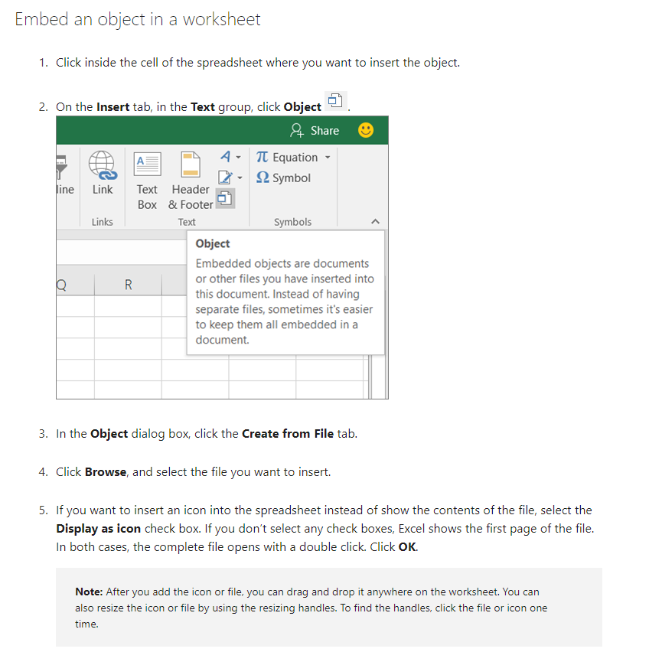
How to insert a file to this tab

